Sheet1
 | Prepared by | Moses Joy | CHROME | Cycle 1 |  | FIREFOX | Cycle 1
 | Date prepared(started) | 10th May 2021 | PASSED | 14 |  | PASSED | 14
 | Date prepared(Finished) | 11th May 2021 | FAILED | 1 |  | FAILED | 1
 | Reviewed by |  | NOT EXECUTED | 0 |  | NOT EXECUTED | 0
 | Date reviwed

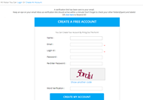
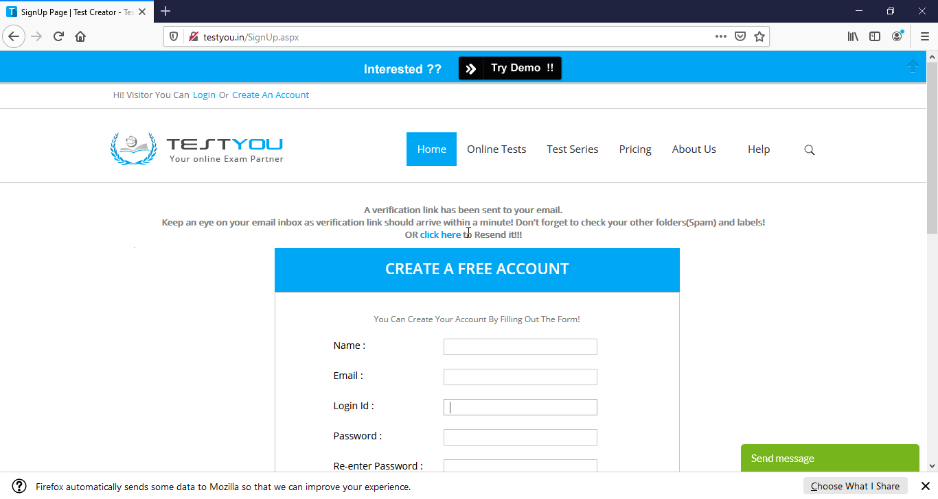
 | SIGNUP
 | Test Suite ID | Test Case ID | Test Case Description | Test Prerequisites | Test Case Procedure | Test Data | Expected Result | Actual Result | cycle 1 | cycle 1 | Post Condition(chrome) | Post Condition(Firefox) | Remarks (Comments)
1 | signup | TC_NAME_001 | Verify that the user can sign up with -valid username - valid email id -valid login id - valid password -re-enter valid password -valid word verification | User must be on the sign up www.testyou.in/signup | 1. Visit the url 2.Input data showing first name and surname. 3. Input valid login id 4. Input valid email adress with host. 4. Input valid password 5. Re-enter valid password 6. input valid word verification | username: tenthmay@mailinator.com password : tenthmay10 | user should be succesfully signed up with a verification link sent to them and the page return to accept a new signup | user was successfully signed up with a verification link sent to them.And this notification was shown on the current signup page. | passed | passed |  |  | NONE
2 | NAME | TC_NAME_001 | Verify that the user can sign up with -only one word name | User must be on the sign up www.testyou.in/signup | 1. Visit the url 2. input valid data showing first only 3. Input valid email address with host 4. Input valid login id 5. Input valid password 6. Re-enter valid password 7. input valid word verification | username: eleventhmay@mailinator.com password : eleventhmay11 | user should not be able to create sign up | user was successfully signed up with a verification link sent to them.And this notification was shown on the current signup page. | Failed | Failed |  |  | User should have a first and surname.
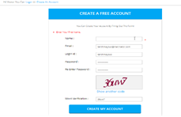
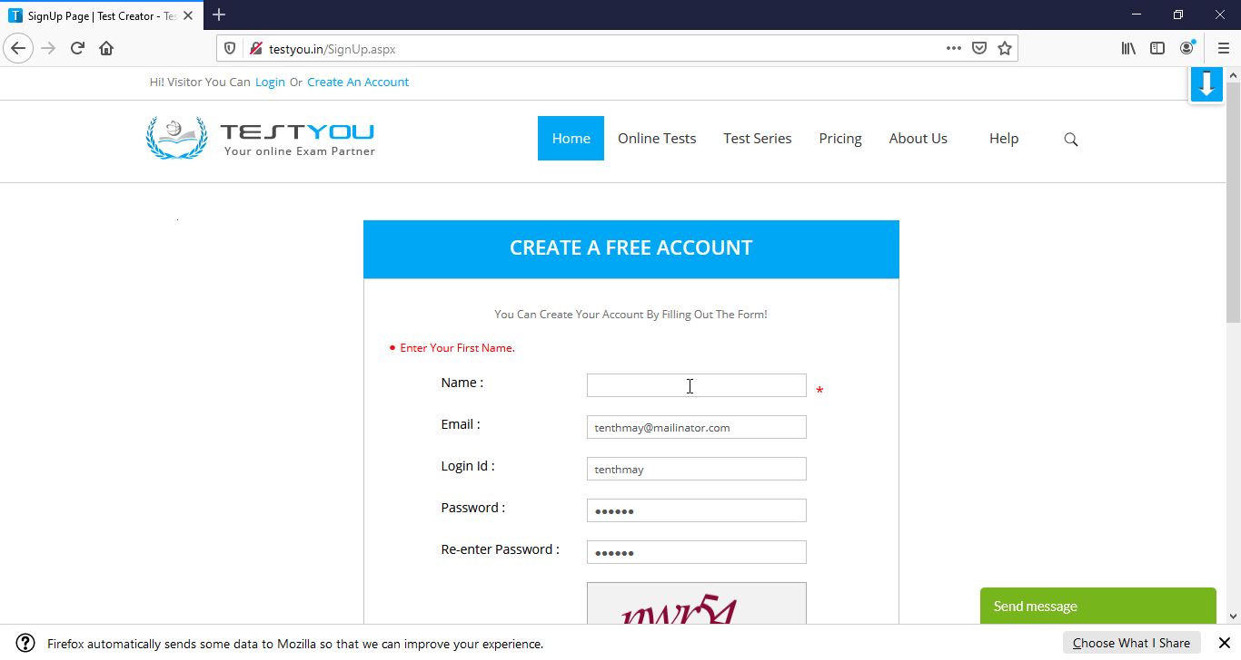
3 | NAME | TC_NAME_003 | Verify that the user cannot sign up with a blank name field. | User must be on the sign up www.testyou.in/signup | 1. Visit the url 2.skip the name field. 3. Input valid login id 4. Input valid email adress with host. 4. Input valid password 5. Re-enter valid password 6. input valid word verification | username: tenthmaytwo@mailinator.com password : tenthmaytwo2 | user should not be able to create sign up | User was not able to sign up. Error message: enter your first name | passed | passed |  |  | NONE
4 | EMAIL | TC_EMAIL_001 | Verify that the user can sign up with - valid name - valid email id - valid login id - valid password - re-enter valid password - valid word verification | User must be on the sign up www.testyou.in/signup | 1. Visit the url 2. input valid name. 3. Input valid email address 4. Input valid login id 5. Input valid password 6. Re-enter valid password 7. input valid word verification | username: eleventhmay@mailinator.com password : eleventhmay11 | user should be succesfully signed up with a verification link sent to them and the page return to accept a new signup | user was successfully signed up with a verification link sent to them. | passed | passed |  |  | NONE
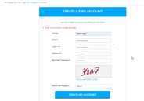

5 | EMAIL | TC_EMAIL_002 | Verify that the user enters valid name - verify that user enters invalid email id -verify that user enters valid login id - verify that user enters valid password -verify that user re-enter valid password -verify that user enters valid word verification | User must be on the sign up www.testyou.in/signup | 1. Visit the url 2. input valid name. 3. Input invalid email address 4. Input valid login id 5. Input valid password 6. Re-enter valid password 7. input valid word verification | username: tenthmay@mailinator password : tenthmaytwo2 | user should not be able to create sign up | user was not able to sign up. Error message: Email should be in proper format. | passed | passed |  |  | NONE

6 | LOGIN | TC_LOGIN_001 | Verify that the user can sign up with - valid name - valid email id - valid login id - valid password - re-enter valid password - valid word verification | User must be on the sign up www.testyou.in/signup | 1. Visit the url 2. input valid name. 3. Input valid email address 4. Input valid login id 5. Input valid password 6. Re-enter valid password 7. input valid word verification | username: eleventhmay@mailinator.com password : eleventhmay11 | user should be succesfully signed up with a verification link sent to them and the page return to accept a new signup | User was successfully signed up with a verification link sent to them.And this notification was shown on the current signup page. | passed | passed |  |  | NONE
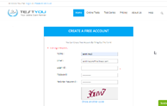
7 | LOGIN | TC_LOGIN_002 | Verify that the user can sign up with - valid name - valid email id - valid alpha numeric login id - valid password - re-enter valid password - valid word verification | User must be on the sign up www.testyou.in/signup | 1. Visit the url 2. input valid name. 3. Input valid email address 4. Input valid alpha numeric login id 5. Input valid password 6. Re-enter valid password 7. input valid word verification | username: eleventhmay@mailinator.com password : eleventhmay11 | user should be succesfully signed up with a verification link sent to them and the page return to accept a new signup | User was successfully signed up with a verification link sent to them.And this notification was shown on the current signup page. | passed | passed |  |  | NONE
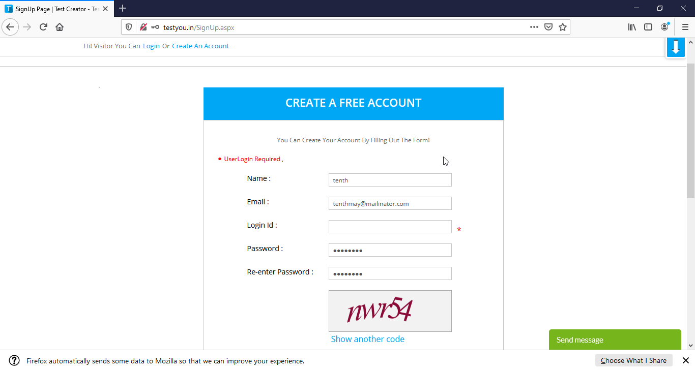
8 | LOGIN | TC_LOGIN_003 | Verify that the user can sign up with valid name - verify that user enters valid email id -verify that user enters no login id - verify that user enters valid password -verify that user re-enter valid password -verify that user enters valid word verification | User must be on the sign up www.testyou.in/signup | 1. Visit the url 2. input valid name. 3. Input valid email address 4. Input no login id 5. Input valid password 6. Re-enter valid password 7. input valid word verification | username: eleventhmay@mailinator.com password : eleventhmay11 | User should not be able to create sign up | User was not able to sign up. Error message: login ID required | passed | passed |  |  | NONE
9 | PASSWORD | TC_PASSWORD_001 | Verify that the user can sign up with -valid name - valid email id -valid login id - valid password -re-enter valid password -valid word verification | User must be on the sign up www.testyou.in/signup | 1. Visit the url 2. input valid name. 3. Input valid email address 4. Input valid login id 5. Input valid password 6. Re-enter valid password 7. input valid word verification | username: tenthmay@mailinator.com password : tenthmay10 | User should be succesfully signed up with a verification link sent to them and the page return to accept a new signup | User was successfully signed up with a verification link sent to them.And this notification was shown on the current signup page. | passed | passed |  |  | NONE
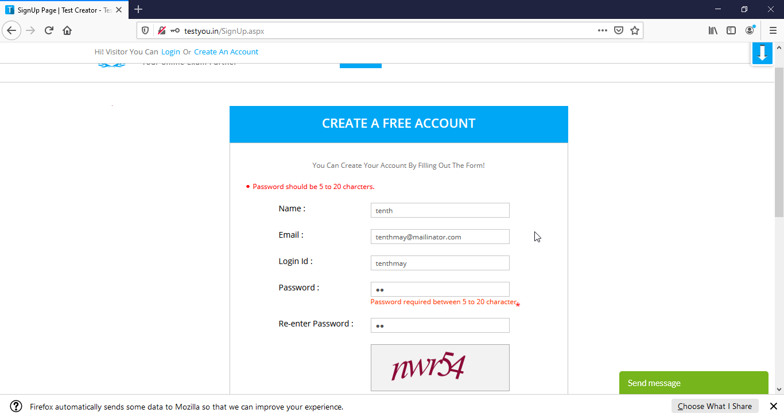
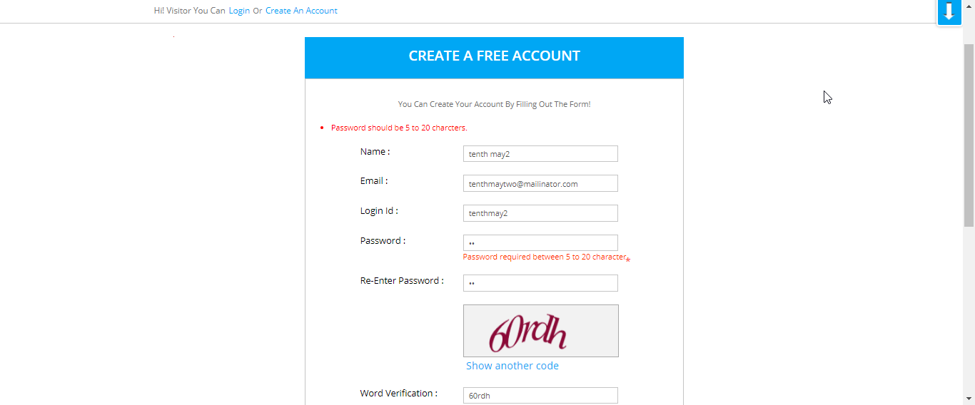
10 | PASSWORD | TC_PASSWORD_002 | Verify that the user can sign up with valid name - verify that user enters valid email id -verify that user enters valid login id - verify that user enters invalid password (less than 5 letters) -verify that user re-enter valid password -verify that user enters valid word verification | User must be on the sign up www.testyou.in/signup | 1. Visit the url 2. input valid name. 3. Input valid email address 4. Input valid login id 5. Input no valid password 6. Re-enter valid password 7. input valid word verification | username: tenthmaytwo@mailinator.com password : tenthmaytwo2 | User should not be able to create sign up | User was not able to sign up. Error message: Password should be between 5 and 20 characters | passed | passed |  |  | NONE
11 | REENTER PASSWORD | TC_REENTERPASSWORD_001 | Verify that the user can sign up with -valid name - valid email id -valid login id - valid password -re-enter valid password -valid word verification | User must be on the sign up www.testyou.in/signup | 1. Visit the url 2. input valid name. 3. Input valid email address 4. Input valid login id 5. Input valid password 6. Re-enter valid password 7. input valid word verification | username: tenthmay@mailinator.com password : tenthmay10 | User should be succesfully signed up with a verification link sent to them and the page return to accept a new signup | User was successfully signed up with a verification link sent to them.And this notification was shown on the current signup page. | passed | passed |  |  | NONE
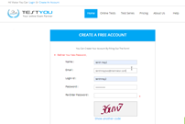
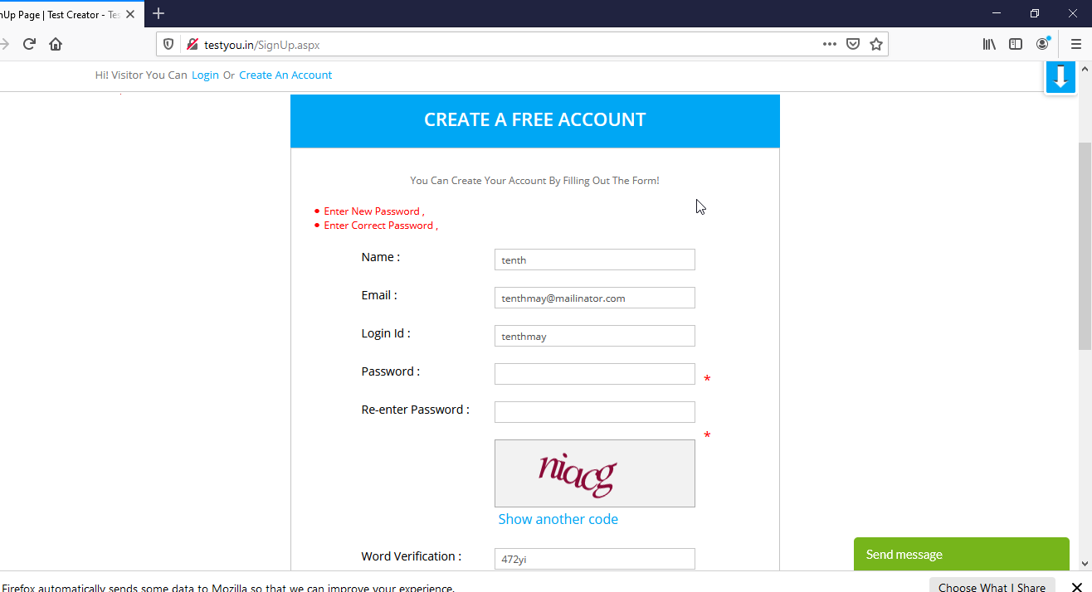
12 | REENTER PASSWORD | TC_REENTERPASSWORD_002 | Verify that the user can sign up with valid name - verify that user enters valid email id -verify that user enters valid login id - verify that user enters valid password -verify that user re-enter invalid password -verify that user enters valid word verification | User must be on the sign up www.testyou.in/signup | 1. Visit the url 2. input valid name. 3. Input valid email address 4. Input valid login id 5. Input valid password 6. Re-enter invalid password 7. input valid word verification | username: tenthmaytwo@mailinator.com password : tenthmaytwo2 | user should not be able to create sign up | user was not able to sign up. Error message:Re-enter your new password. | passed | passed |  |  | NONE

13 | WORD VERIFICATION | TC_WORDVERIFICATION_001 | Verify that the user can sign up with -valid name - valid email id -valid login id - valid password -re-enter valid password -valid word verification | User must be on the sign up www.testyou.in/signup | 1. Visit the url 2. input valid name. 3. Input valid email address 4. Input valid login id 5. Input valid password 6. Re-enter valid password 7. input valid word verification | username: tenthmay@mailinator.com password : tenthmay10 | user should be succesfully signed up with a verification link sent to them and the page return to accept a new signup | User was successfully signed up with a verification link sent to them.And this notification was shown on the current signup page. | passed | passed |  |  | NONE
14 | WORD VERIFICATION | TC_WORDVERIFICATION_002 | Verify that the user can sign up with valid name - verify that user enters valid email id - verify that user enters valid login id - verify that user enters valid password -verify that user re-enter valid password -verify that user enters invalid word verification | User must be on the sign up www.testyou.in/signup | 1. Visit the url 2. input valid name. 3. Input valid email address 4. Input valid login id 5. Input valid password 6. Re-enter valid password 7. input invalid word verification | username: tenthmaytwo@mailinator.com password : tenthmaytwo2 | user should not be able to create sign up | User was not able to sign up. Error message:Invalid code | passed | passed |  |  | NONE
15 | WORD VERIFICATION | TC_WORDVERIFICATION_003 | Verify that the user can sign up with valid name - verify that user enters valid email id -verify that user enters valid login id - verify that user enters valid password -verify that user re-enter valid password -verify that user enters no word verification | User must be on the sign up www.testyou.in/signup | 1. Visit the url 2. input valid name. 3. Input valid email address 4. Input valid login id 5. Input valid password 6. Re-enter valid password 7. input no word verification | username: tenthmaytwo@mailinator.com password : tenthmaytwo2 | user should not be able to create sign up | User was not able to sign up. Error message:invalid code | passed | passed |  |  | NONE
 |  |  |  |  |  |  |  |  | Not executed | Not executed | 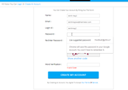 | 